Operations and support
Table 7.1.b - Operations and Support

Complete the following table. Provide three or four examples, reporting what you consider to be the most important data. It is not necessary to provide results for every process.

Operations and Support | What do you have to report to the administration? Those are mostly business operation processes. This list is comprised of examples to help you think about your own business operation processes. Some operational actives include hiring faculty, setting academic policies, overseeing the budget, fundraising, and other administrative duties. Other operational processes include: classroom teaching assignments, student advising and counseling activities, scholarly and professional activities, community and college service activities, administrative activities, business and industry interaction, special research programs and projects, thesis and dissertation supervision and direction, if applicable, non-traditional teaching. This list is only some examples to help you think about your own support services. Support services can include computer labs, structured assistance or supplemental instruction in math, reading, and English. Support can be emotional, physical, financial, academic, or spiritual. It could be computer-assisted instructional laboratories, study groups, tutoring, writing assistance, disability resources and technology help.
 |  | Analysis of Results
Performance Measure | What is your measurement instrument or process? | Current Results | Analysis of Results | Action Taken or Improvement made | Insert Graphs or Tables of Resulting Trends (3-5 data points preferred)
Measurable goal | (Indicate length of cycle) | What are your current results? | What did you learn from the results? | What did you improve or what is your next step?
What is your goal?
Admission: Maintain student enrollment growth at 5% or more for each annual admission. | Enrollment rates are reported to the VUBS Board, Director, Head of Study division, Study program directors, entire community every September. | 2023 admission experienced an 18% growth. Meanwhile, the 2022 admission experienced a 7% decline. | The 2022 decline is attributed to the external reason - the overall mathematics results during that year were very poor. This impacted the enrollment, since mathematics is calculated in the admission formula for the undergraduate students. | 2023 exhibited better mathematics exam results in high schools. Moreover, VUBS restructured their undergraduate programs, updated postgraduate programs and invested into international recruitment as well as overall marketing and communication. | 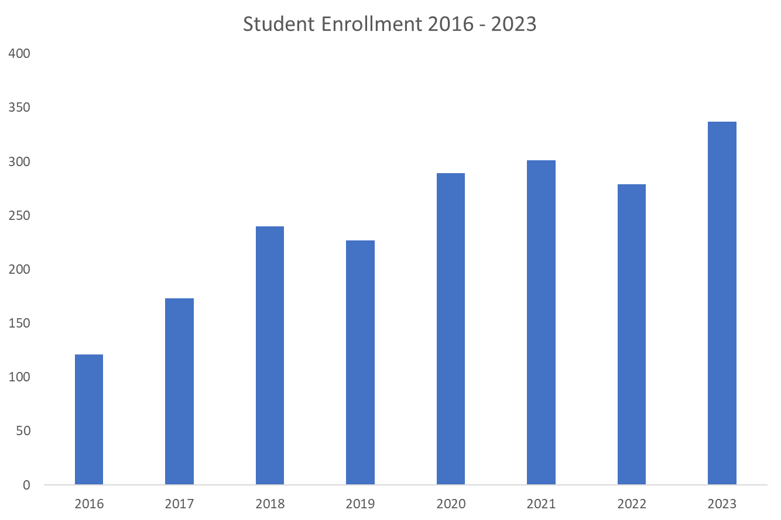
Attrition: Maintain student attrition for study programs at or below 12%. | Attrition rates as reported to the Director, Head of Study division, Study program directors every October. | 2020-2021: 9,4% 2021-2022: 7,9% 2022-2023: 13,3% | Results are very good and below VU average for the years 2020-2021 and 2021-2022. The 2022-2023 results exceed VUBS goal of 12%. This is due to the international students not being able to receive necessary migration document (visa or temporary residence permit) and not being able to come for studies in time. | For the year 2023-2024, VUBS provided international students with the possibility to study online during the first semester, until they take care of their migration documentation and immediately arrive to Lithuania for the face-to-face studies. This decision proved to work. For the next admission, the situation is being resolved among the higher education institutions in Lithuania and the Department of Migration. | 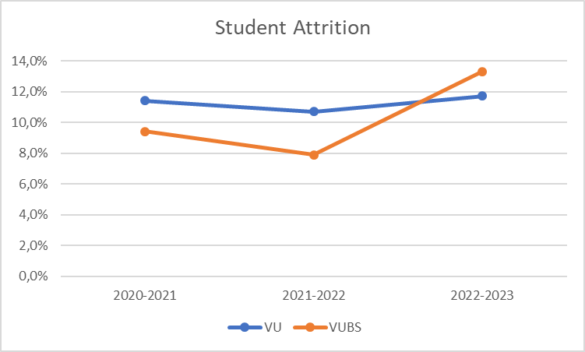
Retention result 2023
 | Result 2023
All programs | 63%
MBA | 100%
Retention: Maintain student retention for study programs at or above 40%, MBA program at or over 90%. | Retention rates are reported to the Director, Head of Study division, Study program directors every January. | 63% - all programs; 100% - MBA | Positive results. | Reviewed and updated the final thesis preparation process. Introduced new types of final thesis to both undergradaute and postgraduate students.
 | Student satisfaction
Undergraduate | 75%
Postgraduate | 71%
Satisfaction: Maintain student satisfaction at 80% or higher. | Every February student satisfaction rates are reported to the VUBS Board, Director, Head of Study division, Study program directors and are included in the VUBS Annual Performance Report for the entire community to get acquainted with the essential results. | Overall student satisfaction is at 73%. | The results are slightly lower than the planned 80%. The situation is complex and is explained in great detail in the self-report. | It is observed that much feedback is collected from the students and they are overloaded with various intermediate and end of the semester surveys. VUBS plans to hire an additional person in the Study division, who will be responsible for the study quality assurance. It is considered to develop and implement own (VUBS) surveys to collect student feedback, due to some questions that the centralized surveys of the VU usually raise (low activity / participation; hesitations about validity, etc.). Moreover, it is also expected that the new didactics (CBL, module based studies, alternative final thesis possibilities, similar) will also increase the satisfaction even more.
Graduation: Maintain graduation numbers proportional to the planned admission, attrition, and retention rates. | Every February graduation numbers are reported to the VUBS Board, Director, Head of Study division, Study program directors and included in the VUBS Annual Performance Report for the entire community to get acquainted with the essential results. | The three consecutive years display a positive growing dynamics, proportional to admission, attrition, and retention. | Overall, the results are good. Some programs have lower graduation rates (Business Finance; Sustainable Corporate Finance and Investments; MBA Entrepreneurship and Investements) as compared during the three consecutive years. | It is considered that the improvements made on providing students with adequate information about the study programs during the admission process, working on the attrition, retention and satisfaction management, may possibly increase the graduation numbers even more. | 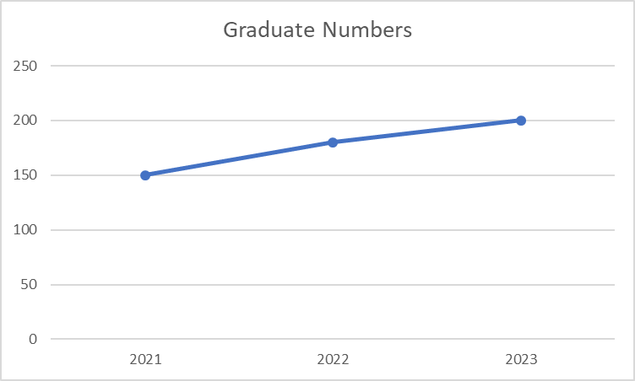
Final thesis results
 | Undergraduate | Postgraduate
Final thesis results | 8.07 | 8.52
 | 7.99 | 8.42
 | 8.12 | 8.28
Academic records (final thesis results): Maintain final thesis results at 8 (out of 10) or higher. | Every February final thesis results are reported to the VUBS Board, Director, Head of Study division, Study program directors and included in the VUBS Annual Performance Report for the entire community to get acquainted with the essential results. | During the 2022-2023 study cycle the VUBS students were able to score over 8 points out of 10 for their final thesis results. Overal dynamics for three consecutive years keeps the result at 8 points (out of 10). | The results are very good to maintain. | In the year 2023 the Ministry of Education, Science and Sports introduced the possibility to have 15 ECTS (instead of 30 ECTS) final thesis for postgraduate study programs. This is currently considered in the VUBS study program committees. Overall, the goal of VUBS is to empower the preparation of the Business case research project for the undergraduate studies and the Consultancy project for the postgraduate level more.
Job placement: Maintain job placement results at 80% or higher. | Job placement results are reported to the Director, Head of Study division, Study program directors annually after the centralized data are available. | Job placemnet results are very good. On average, 8 out of 10 graduates secure job placement. During the study cycle 2022-2023 undergraduate results are 80,83%, postgraduate - 83,33%. | The results are very good to maintain. | VUBS is doing well on job placement. VUBS also does well developing collaboration with the strategic partners and building the necessary ecosystem. One of the improvements, which is in the current plans, is for VUBS to perform the matchmaking role, by connecting the international students with the international organizations (established in Lithuania) for the possible job placements. Overall, it is expected that VUBS students will continue establishing businesses, start-ups and creating job positions. | 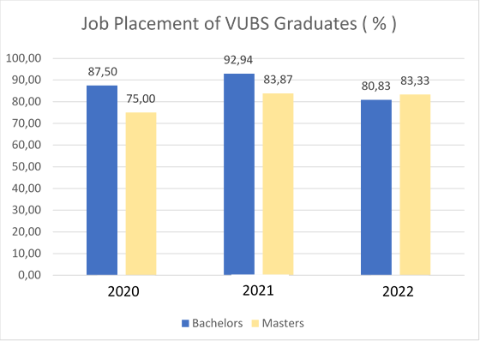

Sheet2
Retention result 2023
 | Retention | Result 2023
 | All programs | 63%
 | MBA | 100%

Final thesis results

 | Student satisfaction
Undergraduate | 75%
Postgraduate | 71%

 | Final thesis results
Undergraduate | 8.07 | 7.99 | 8.12
Postgraduate | 8.52 | 8.42 | 8.28

